JCE
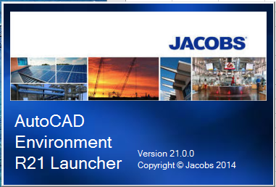
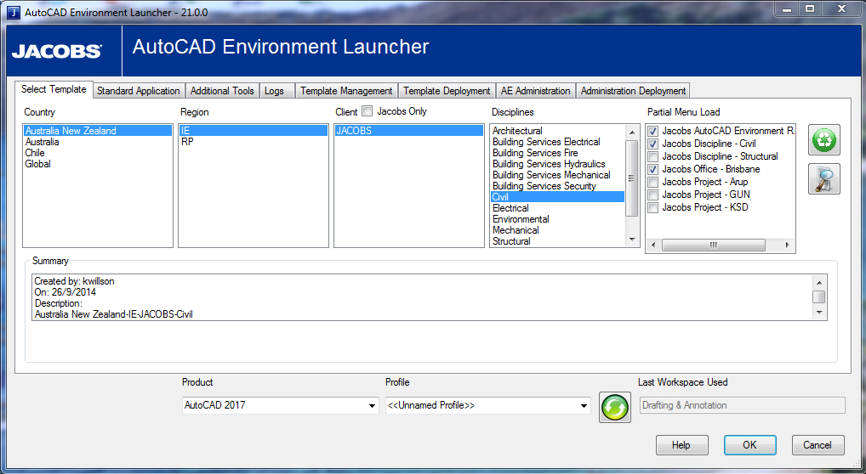

The user selects the environment and click the OK button
This launches AutoCAD with a template file
 | The Template can have
 | Layers
 | Line types
 | Dimension styles
 | Drawing units
 | Table styles
 | Blocks
 | Text styles
 | Hatch patterns
This add paths to the AutoCAD options
 | External block librares
 | CTB
 | PC3
 | External line types
 | External layering drawings
This defines settings in the drawing
 | Drawing units
 | Text layers
 | Text heights
 | Dimension styles
 | Dimscale

Testing
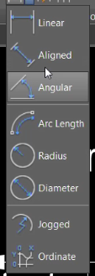
Riibon | Tools
Annotion |  | Tested
Annotion | Reset A | Tested
Draw |  | Tested
Draw |  | Tested
Draw |  | Tested
Draw |  | Tested
Draw |  | Tested
Draw |  | Tested
Draw |  | Tested
Draw |  | Tested
Draw |  | Tested
Layer Importer |  | Tested
Layer Importer |  | Tested
Blocks |  | Tested
Layout |  | Tested
Layout |  | Tested
Layout |  | Tested
Format |  | Tested
 |  | Tested
 |  | Tested
 |  | Tested
 |  | Tested

 | Testing | Tested | Status bar not displaying

 | Testing | Remove Jacobs Customisation tab | Read values from a text file

 | Tested | Jacobs Help | Path to Jacobs Connect page

 | Tested | Jacobs Jelp About | Doesn't work

 | Tested | Block Finder | QLD blocks are missing from C:\Users\Public\Jacobs\Jacobs AutoCAD Environment R21\Lib\Infrastructure\Civil\Australia

 | Tested | Apply Configuration | Refer error message

 | Tested | Partial Menu Load | Develop an interface so the user can decide what menus are loaded.
 | Stop copying menus loally | Tested
 | Check StartMode | Tested
 | Help point to Jacobs Connect
 | Fix order of the Jacobs Menu | Tested
 | rec
 | Check Dtext annotation text | Tested
 | Check Civil tools
 | Check with Andrew Milford bitmap format resoloution
Annotate Tool
 | workflow combo changed to radio buttons | Done
 | Non annotative display scale list | Done
 | Scale list locked
 | Dimension display Scale list | Done
 | Remove Work flow options from Dimension tab | Done
 | Radio buttons for annotation tools | Done
 | Add Mtext & Dtext bottoms | Done
 | remove allow user to select justification | Done
 | don't prompt rotation remove | Done
 | place text button to Enter | Done
 | remove don't scale modelspace text | Done
 | Mtext default | Done
 | add dimension toolbar icons on form | Done
 | scale tools | Done
 | remove workflow | Done
 | remove client scale
 | modelspace scle grey out | Done
 | remove general scale option | Done
 | Use a single dimension style move to Dimension tab | Done
 | Apply modelspace scale to text height
 | Apply annotation scale to dimensions
 | Apply non annotation scale to dimensions
batch processor
 | Filter list navigate
 | remove dependance on RTF file
 | check hoe favorites
 | Browse button
 | remerber last location
 | remove rtf files
 | remove the need for tabs
 | process file inplace
 | Select files or folders
 | remove dedit data
 | look at Progress bar

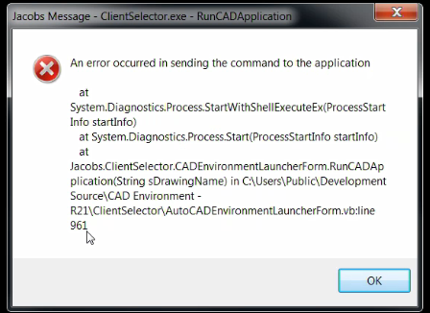

Annotation Text | Tab don't display on start up
 | Move button to above additional tools
 | Link Text, Dimension & Modelspace display scale
Scale | Remove general scale.
 | Linetype scale enabled
 | Fix text scale
 | Check Mtext & Dtext buttons
Text & dimension | annotation scale too long, 4 lines
 | Add dimension types

